Application Screen
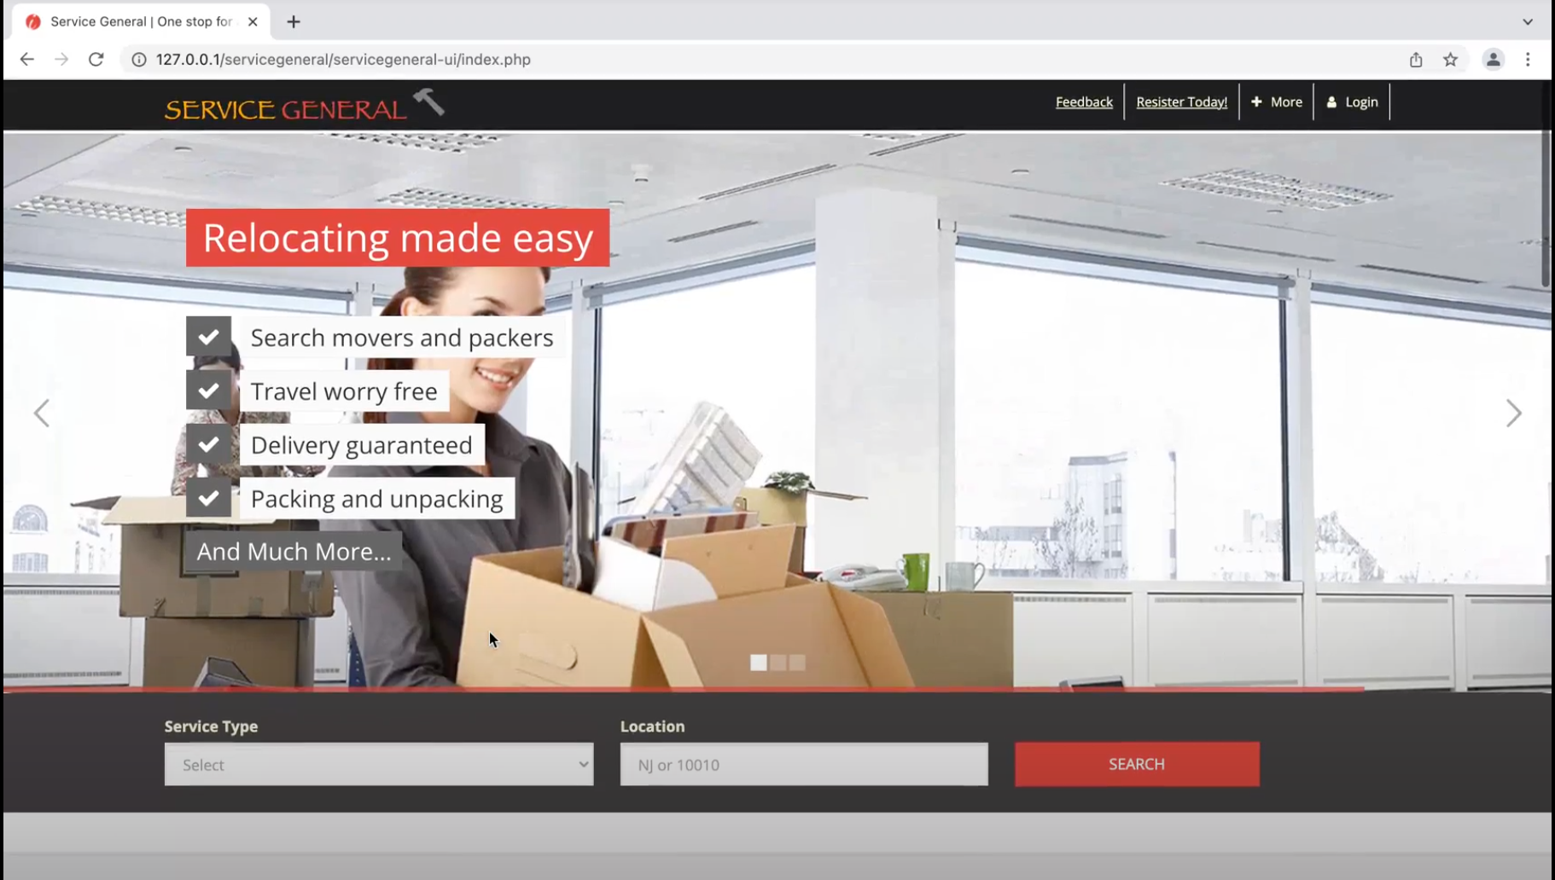

Test Case 3
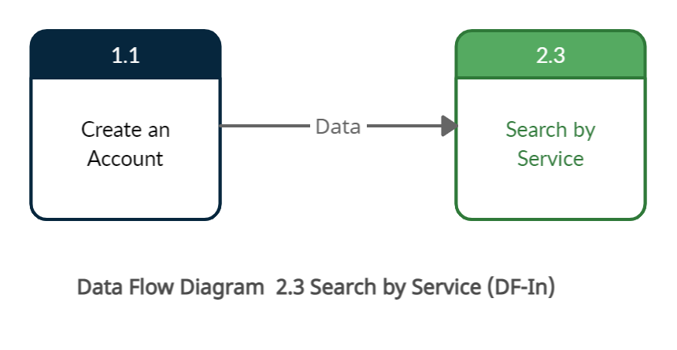
TC Title: | TC3. 02.03 Search By Service - Data Flow In

TC Objective: | This test case validates that the data from feature 1.1 create an account flows in to feature 2.3 Search by Service and this data is stored on the database.

TC Description
 | Step | Step Description | Expected Results
 | 1 | User log in with valid credentials | Log in should be successful.
 | 2 | Search for the salon service. | User should be able to search by the service, and all the related services will populate. So that data will flow between the create an account to the Search by the service.

